BFCF
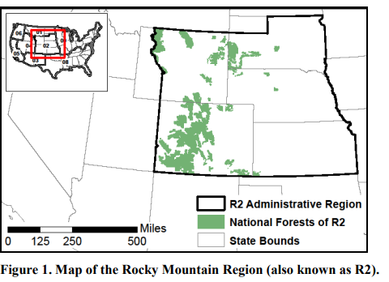
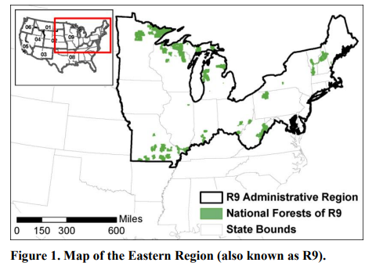
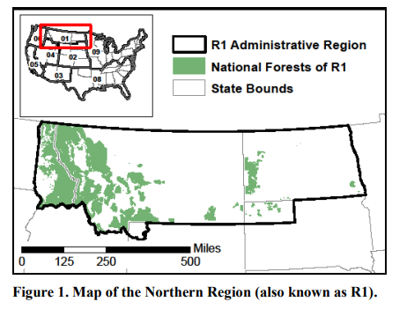
Conversion | StartYear | EndYear | The following values were originally provided in this template. These values were the same for all regional templates. No datasource for these values is available, though they appear to match the values developed for the California inventory.
 |  |  | Conversion | StartYear | EndYear
 |  |  | 6.02 | 1900 | 1979
 |  |  | 5.35 | 1980 | 1989
 |  |  | 4.72 | 1990 | 2000
 |  |  | 4.62 | 2001 | 2006
 |  |  | 3.96 | 2007 | 2025

 |  |  | The North Central region defined by Smith et al. 2006 used in this model overlap with several USFS regions.
 |  |  | The user can use the original defaults provided above, with no datasources provided.
 |  |  | Or the user can select the value from the most appropriate USFS Regional HWP C report. There is a single value provided in these reports. Citations are provided.

 |  |  | State within North Central Region | Corresponding USFS Region | BF:CF Conversion | Data source
 |  |  | Michigan | R9 Eastern | 6.13 | Loeffler, Dan; Anderson, Nathaniel; Stockmann, Keith; Skog, Ken; Healey, Sean; Jones, J. Greg; Morrison, James; Young, Jesse. 2014. Estimates of carbon stored in harvested wood products from United States Forest Service Eastern Region, 1911-2012. Unpublished report. Missoula, MT: U.S. Department of Agriculture, Forest Service, Rocky Mountain Research Station, Forestry Sciences Laboratory. 27 p.
 |  |  | Wisconsin | R9 Eastern | 6.13 | Loeffler, Dan; Anderson, Nathaniel; Stockmann, Keith; Skog, Ken; Healey, Sean; Jones, J. Greg; Morrison, James; Young, Jesse. 2014. Estimates of carbon stored in harvested wood products from United States Forest Service Eastern Region, 1911-2012. Unpublished report. Missoula, MT: U.S. Department of Agriculture, Forest Service, Rocky Mountain Research Station, Forestry Sciences Laboratory. 27 p.
 |  |  | Minnesota | R9 Eastern | 6.13 | Loeffler, Dan; Anderson, Nathaniel; Stockmann, Keith; Skog, Ken; Healey, Sean; Jones, J. Greg; Morrison, James; Young, Jesse. 2014. Estimates of carbon stored in harvested wood products from United States Forest Service Eastern Region, 1911-2012. Unpublished report. Missoula, MT: U.S. Department of Agriculture, Forest Service, Rocky Mountain Research Station, Forestry Sciences Laboratory. 27 p.
 |  |  | Indiana | R9 Eastern | 6.13 | Loeffler, Dan; Anderson, Nathaniel; Stockmann, Keith; Skog, Ken; Healey, Sean; Jones, J. Greg; Morrison, James; Young, Jesse. 2014. Estimates of carbon stored in harvested wood products from United States Forest Service Eastern Region, 1911-2012. Unpublished report. Missoula, MT: U.S. Department of Agriculture, Forest Service, Rocky Mountain Research Station, Forestry Sciences Laboratory. 27 p.
 |  |  | Illinois | R9 Eastern | 6.13 | Loeffler, Dan; Anderson, Nathaniel; Stockmann, Keith; Skog, Ken; Healey, Sean; Jones, J. Greg; Morrison, James; Young, Jesse. 2014. Estimates of carbon stored in harvested wood products from United States Forest Service Eastern Region, 1911-2012. Unpublished report. Missoula, MT: U.S. Department of Agriculture, Forest Service, Rocky Mountain Research Station, Forestry Sciences Laboratory. 27 p.
 |  |  | Iowa | R9 Eastern | 6.13 | Loeffler, Dan; Anderson, Nathaniel; Stockmann, Keith; Skog, Ken; Healey, Sean; Jones, J. Greg; Morrison, James; Young, Jesse. 2014. Estimates of carbon stored in harvested wood products from United States Forest Service Eastern Region, 1911-2012. Unpublished report. Missoula, MT: U.S. Department of Agriculture, Forest Service, Rocky Mountain Research Station, Forestry Sciences Laboratory. 27 p.
 |  |  | Missouri | R9 Eastern | 6.13 | Loeffler, Dan; Anderson, Nathaniel; Stockmann, Keith; Skog, Ken; Healey, Sean; Jones, J. Greg; Morrison, James; Young, Jesse. 2014. Estimates of carbon stored in harvested wood products from United States Forest Service Eastern Region, 1911-2012. Unpublished report. Missoula, MT: U.S. Department of Agriculture, Forest Service, Rocky Mountain Research Station, Forestry Sciences Laboratory. 27 p.
 |  |  | North Dakota | R1 Northern | 4.55 | Stockmann, Keith; Anderson, Nathaniel; Young, Jesse; Skog, Ken; Healey, Sean; Loeffler, Dan; Butler, Edward; Jones, J. Greg; Morrison, James. 2014. Estimates of carbon stored in harvested wood products from United States Forest Service Northern Region, 1906-2012. Unpublished report. Missoula, MT: U.S. Department of Agriculture, Forest Service, Rocky Mountain Research Station, Forestry Sciences Laboratory. 27 p.
 |  |  | South Dakota | R2 Rocky Mountan | 4.85 | Stockmann, Keith; Anderson, Nathaniel; Young, Jesse; Skog, Ken; Healey, Sean; Loeffler, Dan; Butler, Edward; Jones, J. Greg; Morrison, James. 2014. Estimates of carbon stored in harvested wood products from United States Forest Service Rocky Mountain Region, 1906-2012. Unpublished report. Missoula, MT: U.S. Department of Agriculture, Forest Service, Rocky Mountain Research Station, Forestry Sciences Laboratory. 27 p.
 |  |  | Nebraska | R2 Rocky Mountan | 4.85 | Stockmann, Keith; Anderson, Nathaniel; Young, Jesse; Skog, Ken; Healey, Sean; Loeffler, Dan; Butler, Edward; Jones, J. Greg; Morrison, James. 2014. Estimates of carbon stored in harvested wood products from United States Forest Service Rocky Mountain Region, 1906-2012. Unpublished report. Missoula, MT: U.S. Department of Agriculture, Forest Service, Rocky Mountain Research Station, Forestry Sciences Laboratory. 27 p.
 |  |  | Kansas | R2 Rocky Mountan | 4.85 | Stockmann, Keith; Anderson, Nathaniel; Young, Jesse; Skog, Ken; Healey, Sean; Loeffler, Dan; Butler, Edward; Jones, J. Greg; Morrison, James. 2014. Estimates of carbon stored in harvested wood products from United States Forest Service Rocky Mountain Region, 1906-2012. Unpublished report. Missoula, MT: U.S. Department of Agriculture, Forest Service, Rocky Mountain Research Station, Forestry Sciences Laboratory. 27 p.

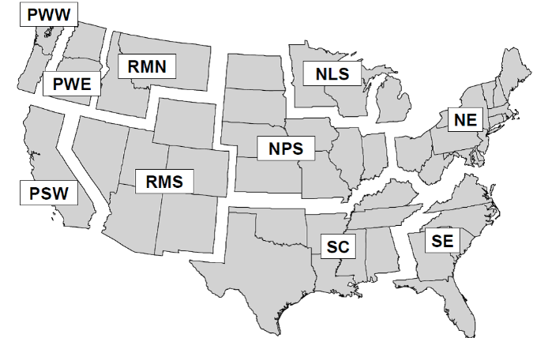

 |  |  | Figure 4.1: Definition of regions: Pacific Northwest, West (PWW); Pacific Northwest, East (PWE); Pacific Southwest (PSW ); Rocky Mountain, North (RMN); Rocky Mountain, South (RMS); Northern Prairie States (NPS); Northern Lake States (NLS); Northeast (NE); South Central (SC); and Southeast (SE). Note that regions are merged for some template files, these combiantions include: NLS and NPS as North Central, RMN and RMS as Rocky Mountain; and RMN, RMSE, PWE and PSW as West (Smith et al. 2006)
 |  |  | Corresponding USFS Regional Reports:

